Indices

 | Iraq Stock Exchange
 | Bulletin No (119)
 | ISX Trading Indices of Sunday 12/7/2026

 | Traded Volume and OTC |  | 835,670,077 |  | Traded Value and OTC |  | 1,049,691,188 |  | Traders | 1290
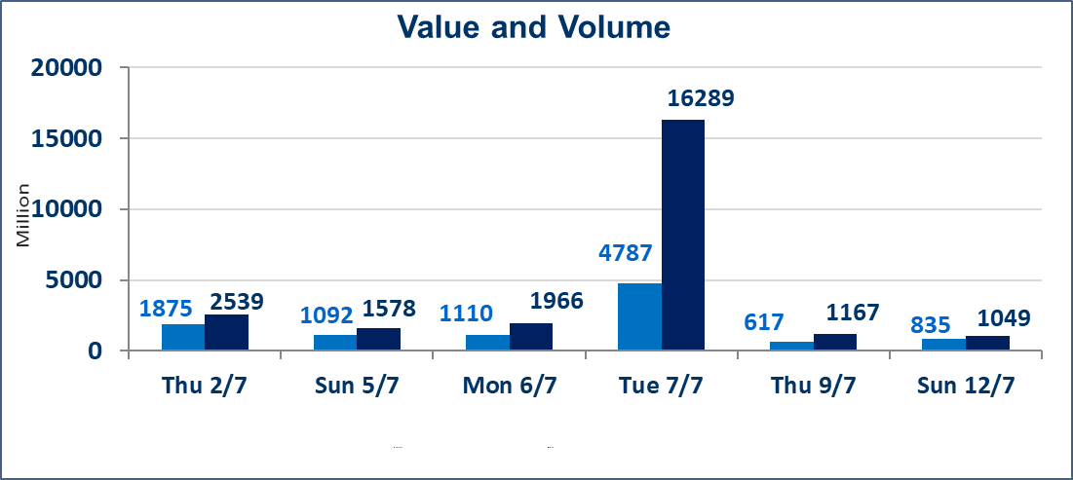
 | ISX Index 60 |  |  | 1014.74 | ISX Index 15 |  |  | 1269.77
 | Previous ISX Index60 |  |  | 1016.21 | Previous ISX Index15 |  |  | 1275.33
 | Change % |  |  | -0.14 | Change % |  |  | -0.44
 | Change |  |  | -1.47 | Change |  |  | -5.56

 | Listed Companies | 103 | OTC | 17 | Non Traded listed | 36 | OTC | 16
 | Traded Listed Companies | 51 | OTC | 1 | Higher Companies |  |  | 15
 | GAM Companies |  |  | 8 | Lower Companies |  |  | 15
 | Suspended Companies |  |  | 8
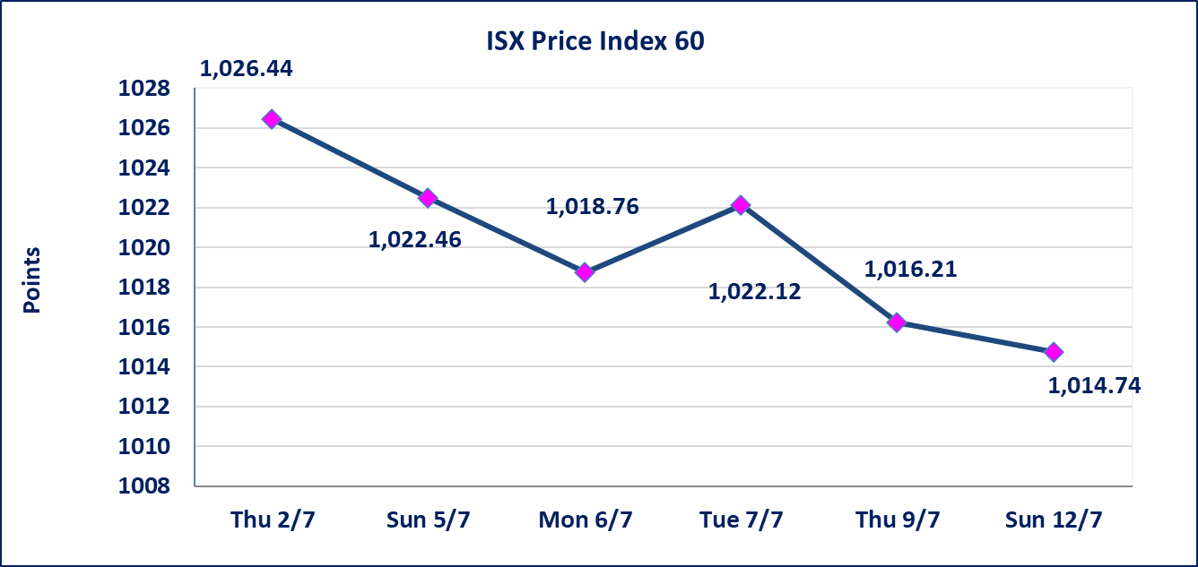
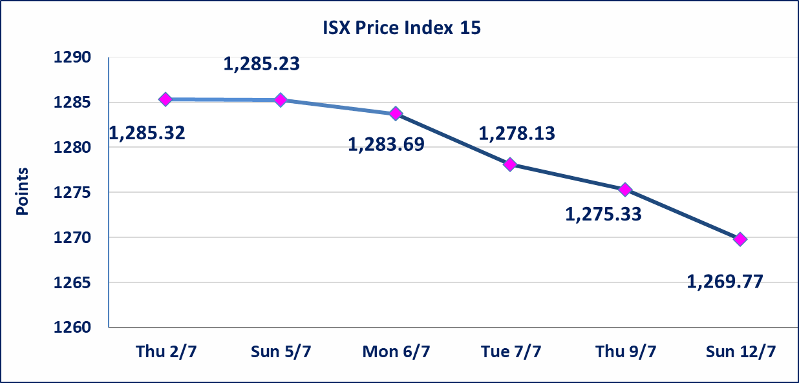

Al-Alwiya P.O . 3607 Mobile: 07711211522 - 07270094594 - 07834000034 E-mail: info-isx@isx-iq.net Web site:www.isx-iq.net

Top 5
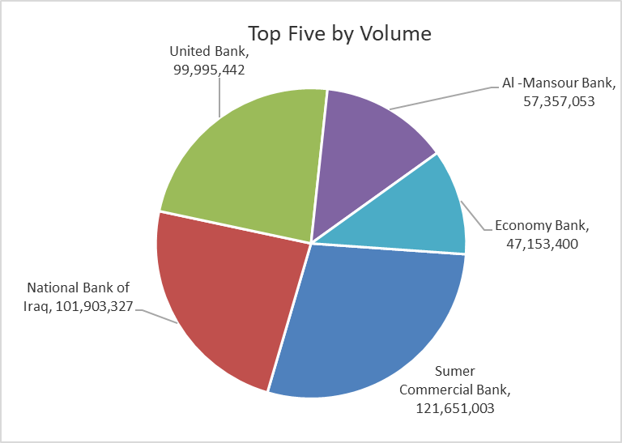
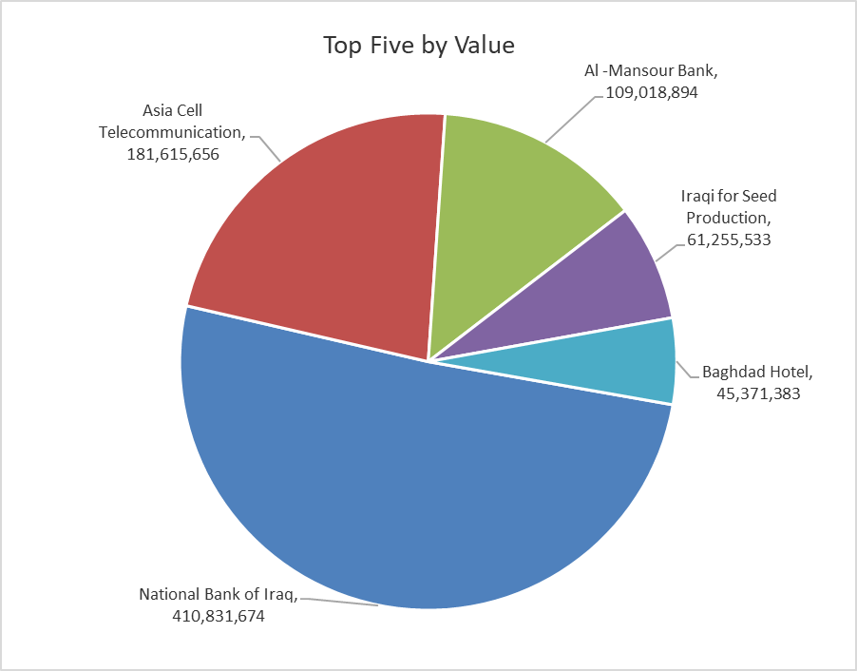

ISX top ganing and losing companies
Sunday 12/7/2026
 | Gainers |  |  |  | Losers
 | Company Name | Closing Price | Change (%) | Traded Volume | Company Name | Closing Price | Change (%) | Traded Volume
 | National Furniture Industries | 0.850 | 16.44 | 180,000 | Mosul Bank For Investment | 0.130 | -7.14 | 20,000,000
 | Iraqi Carton Manufactories | 2.420 | 11.01 | 7,645 | Sumer Commercial Bank | 0.220 | -4.35 | 121,651,003
 | Union Bank of Iraq | 0.160 | 6.67 | 664,718 | Dar Al-Salam for Insurance | 0.750 | -3.85 | 49,177
 | Modern Sewing | 6.190 | 5.81 | 4,126,494 | Trans Iraq Bank Investment | 0.260 | -3.70 | 8,019,116
 | Credit Bank Of Iraq | 0.580 | 5.45 | 21,722,091 | National for Tourist Investment | 8.700 | -3.33 | 30,000
 | The most active companies in term of traded volume and value

 | Traded Volume |  |  |  | Traded Value
 | Company Name | Closing Price | Change (%) | Traded Volume | Company Name | Closing Price | Change (%) | Traded Value
 | Sumer Commercial Bank | 0.220 | -4.35 | 121,651,003 | National Bank of Iraq | 4.040 | 1.00 | 410,831,674
 | National Bank of Iraq | 4.040 | 1.00 | 101,903,327 | Asia Cell Telecommunication | 15.950 | -1.54 | 181,615,656
 | United Bank | 0.050 | 0.00 | 99,995,442 | Al -Mansour Bank | 1.900 | 0.00 | 109,018,894
 | Al -Mansour Bank | 1.900 | 0.00 | 57,357,053 | Iraqi for Seed Production | 6.490 | 0.31 | 61,255,533
 | Economy Bank | 0.230 | 0.00 | 47,153,400 | Baghdad Hotel | 12.000 | -1.15 | 45,371,383

Non Iraqis

Iraq Stock Exchange
Non Iraqis' Bulletin Sunday July 12 2026
Regular Market

Non Iraqi Trading of Regular Market (Buy)
Company Names | Code | No.of trades | Traded Shares | Trading Volume
Banks Sector
Commercial Bank of Iraq | BCOI | 3 | 6,252,877 | 4,001,941
Investment Bank of Iraq | BIBI | 3 | 10,000,000 | 3,000,000
National Bank Of Iraq | BNOI | 1 | 1,000,000 | 4,060,000
Total Bank sector |  | 7 | 17,252,877 | 11,061,941
Telecommunication Sector
Asia cell | TASC | 2 | 200,000 | 3,220,000
Total Telecommunication sector |  | 2 | 200,000 | 3,220,000
Grand Total |  | 9 | 17,452,877 | 14,281,941

Non Iraqi Trading of Regular Market (Sell)
Company Names | Code | No.of trades | Traded Shares | Trading Volume
Telecommunication Sector
Asia cell | TASC | 14 | 1,500,000 | 24,000,050
Total Telecommunication sector |  | 14 | 1,500,000 | 24,000,050
Grand Total |  | 14 | 1,500,000 | 24,000,050

Non Iraqi Trading of Second Market (BUY)
Company Names | Code | No. of trades | Traded Volume | Traded Value
Banks Sector
Credit Bank Of Iraq | BROI | 1 | 101,450 | 55,798
Total Bank sector |  | 1 | 101,450 | 55,798
Grand Total |  | 1 | 101,450 | 55,798

Non Iraqi Trading of Undisclosed Platform (Sell)
Company Names | Code | No.of trades | Traded Shares | Trading Volume
Industry Sector
National Chemical &Plastic Industries | INCP | 1 | 500,000 | 925,000
The Light Industries | ITLI | 7 | 2,737,000 | 3,525,860
Total Industry sector |  | 8 | 3,237,000 | 4,450,860
Grand Total |  | 8 | 3,237,000 | 4,450,860

OTC

Iraq Stock Exchange

Sunday 12/7/2026

OTC Platform Trading Bulletin No (119)
Company Name | Code | highest price | lowest price | Average price | No.of Trades | Traded Volume | Traded Value
Banks Sector
Al-Warka Bank | BWAI | 0.140 | 0.130 | 0.140 | 35 | 202,506,723 | 28,350,641
Total Of Money Service Sector |  |  |  |  | 35 | 202,506,723 | 28,350,641
Total |  |  |  |  | 35 | 202,506,723 | 28,350,641

Not Trading OTC Companies
Company Name |  |  | Code |  | Previous Average price
Banks Sector
Al-Sanam Islamic Bank |  |  | BSAN |  | 3.000
Hammurabi Commercial Bank |  |  | BHAM |  | ـــــــــــــــــــــــــــــــــــ
Industrial Sector
Kirkuk producing constructional materials |  |  | IKFP |  | 2.660
Money Service Sector
Rabee Securities |  |  | FRSE |  | 9.050
Karmal Brokerage |  |  | FKSX |  | 10.000
Iraqi Deposit Insurance Corporation |  |  | FIDI |  | 1.000
Ishtar Gate for e-Paymant |  |  | FISH |  | 1.000
Sama Baghdad Exchange |  |  | FSBE |  | ـــــــــــــــــــــــــــــــــــ
Insurance Sector
Almaseer lnsurance Company |  |  | NMAS |  | ـــــــــــــــــــــــــــــــــــ
Zain lnsurance Company |  |  | NZA |  | ـــــــــــــــــــــــــــــــــــ
Dar Altheqa Insurance Company |  |  | NDAR |  | ـــــــــــــــــــــــــــــــــــ
Shatt Al Arab Insurance |  |  | NSHA |  | 1.000
Al Badia Insurance |  |  | NBAD |  | ـــــــــــــــــــــــــــــــــــ
Kurdistan Insurance |  |  | NKUI |  | 0.500
Elaf Insurance |  |  | NELF |  | ـــــــــــــــــــــــــــــــــــ
Dilina Insurance Company |  |  | NDIL |  | ـــــــــــــــــــــــــــــــــــ

Not Trading Bonds

Iraq Stock Exchange
Sunday 12/7/2026
Not Trading Bonds Bulletin
Bond type | Publish type | Code | last trading price | immortilize date
Banaa Bonds /Million ID | Second | CB20 | 964,981 | 19/12/2025
Eamar Bonds /Million ID | First | CB30 | 1,001,095 | ــــــــــــــــ
Eamar Bonds /Million ID | Second | CB40 | ــــــــــــــــ | ــــــــــــــــ
Eamar Bonds /500 Thousand ID | Third | CB45 | ــــــــــــــــ | ــــــــــــــــ
Eamar Bonds /Million ID | Third | CB50 | ــــــــــــــــ | ــــــــــــــــ
Injaz Bonds /500 Thousand ID | First | CB55 | ــــــــــــــــ | ــــــــــــــــ
Injaz Bonds /Million ID | First | CB60 | 951,110 | ــــــــــــــــ
Injaz Bonds /500 Thousand ID | Second | CB65 | 511,000
Injaz Bonds /Million ID | Second | CB70 | 965,050 | ــــــــــــــــ
Injaz Bonds /500 Thousand ID | Third | CB75 | ــــــــــــــــ | ــــــــــــــــ
Injaz Bonds /Million ID | Third | CB80 | 978,182 | ــــــــــــــــ
National Bonds/Million ID | First | CB90 | ــــــــــــــــ | ــــــــــــــــ
National Bonds/500 Thousand ID | Second | CB95 | ــــــــــــــــ | ــــــــــــــــ
National Bonds/Million ID | Second | CB100 | ــــــــــــــــ | ــــــــــــــــ

